Sheet1
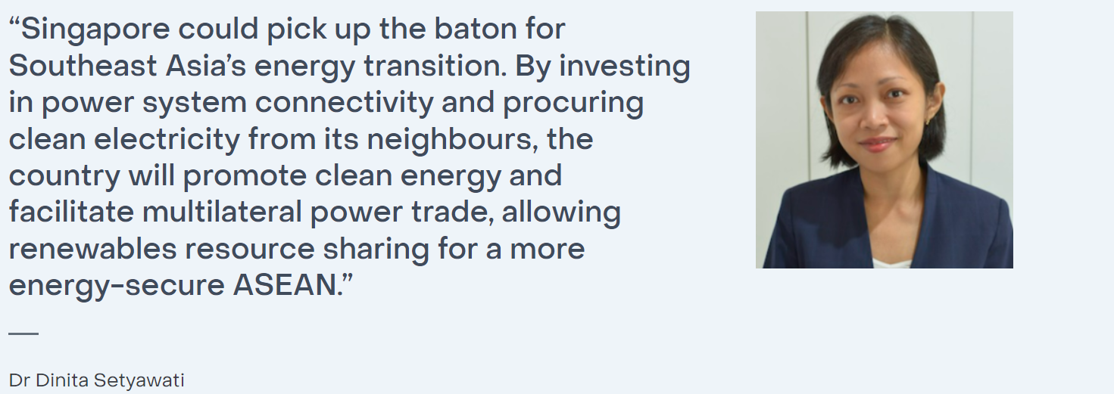
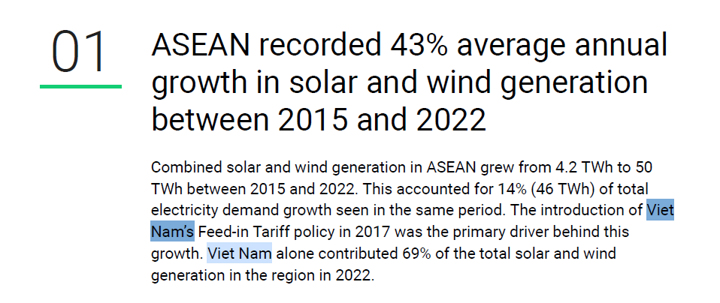
 | Renewable energy production Goal by year |  | Estimated goal reaching year | Explenation | Page | Paragraph
Australia | 97TWh | 82% | 2030 | https://assets.cleanenergycouncil.org.au/documents/Bridging-the-gap-to-82-per-cent-renewables-by-2030_Final_August-2023.pdf | 4
Japan | 173 TWh | 46% | 2030 | https://www.renewable-ei.org/pdfdownload/activities/REI_Summary_2030Proposal_EN.pdf | 4 | Table 3.1
Singapore | 5.1 TWh | 6% | 2035 | C:/dfsdf/fsdf.pdf | 4
Vietnam | 46.4twh | 60% | 2030 | https://ember-climate.org/insights/research/beyond-tripling-asean/ | 4

Sheet2
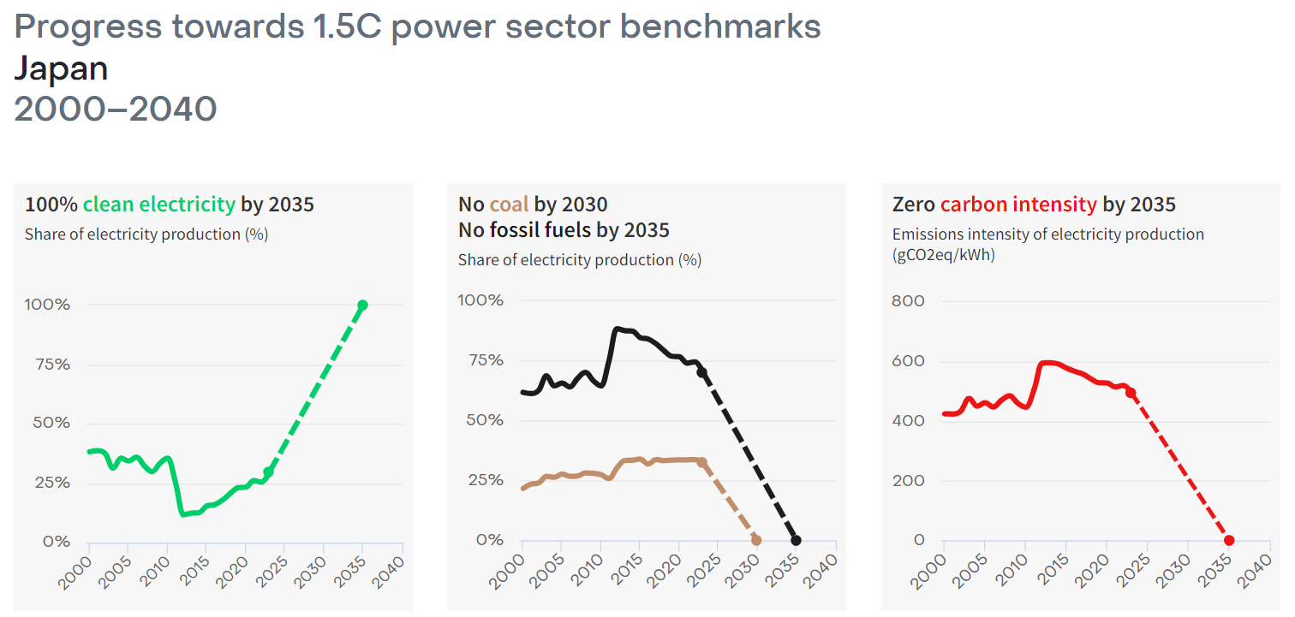

100% clean electricity goal by each country
 |  | 2000 | 2005 | 2010 | 2015 | 2020 | 2023 | 2035 | 2040 | Explenation | Page | Paragraph
 | Japan | 38% | 34% | 36% | 15% | 23% | 30% | 100% | 100% | https://ember-climate.org/countries-and-regions/countries/japan/ | no page numb | Green Graph
 | Australia | 8% | 9% | 9% | 14% | 24% | 35% | 100% | 100% | https://ember-climate.org/countries-and-regions/countries/australia/ | no page numb | Green Graph
 | Vietnam | 55% | 32% | 31% | 35% | 35% | 43% |  | 100% | https://ember-climate.org/countries-and-regions/countries/viet-nam/ | no page numb | Green Graph
 | Singapore | 0% | 0% | 0% | 0% | 0% | 2% | 6% |  | https://ember-climate.org/insights/research/regional-grids-key-to-singapores-energy-future/ | no page numb | Sentence and Middle Graph
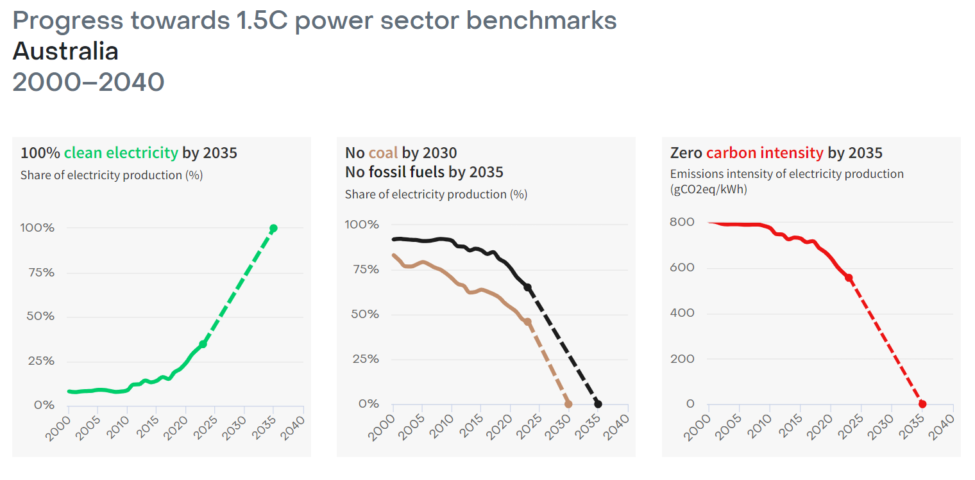
Countries are planning to shift clean energy in near future
Planning to reach 100% of green electicity by 2035 by expectation
However, Singapore is quiet new to Renewable energy

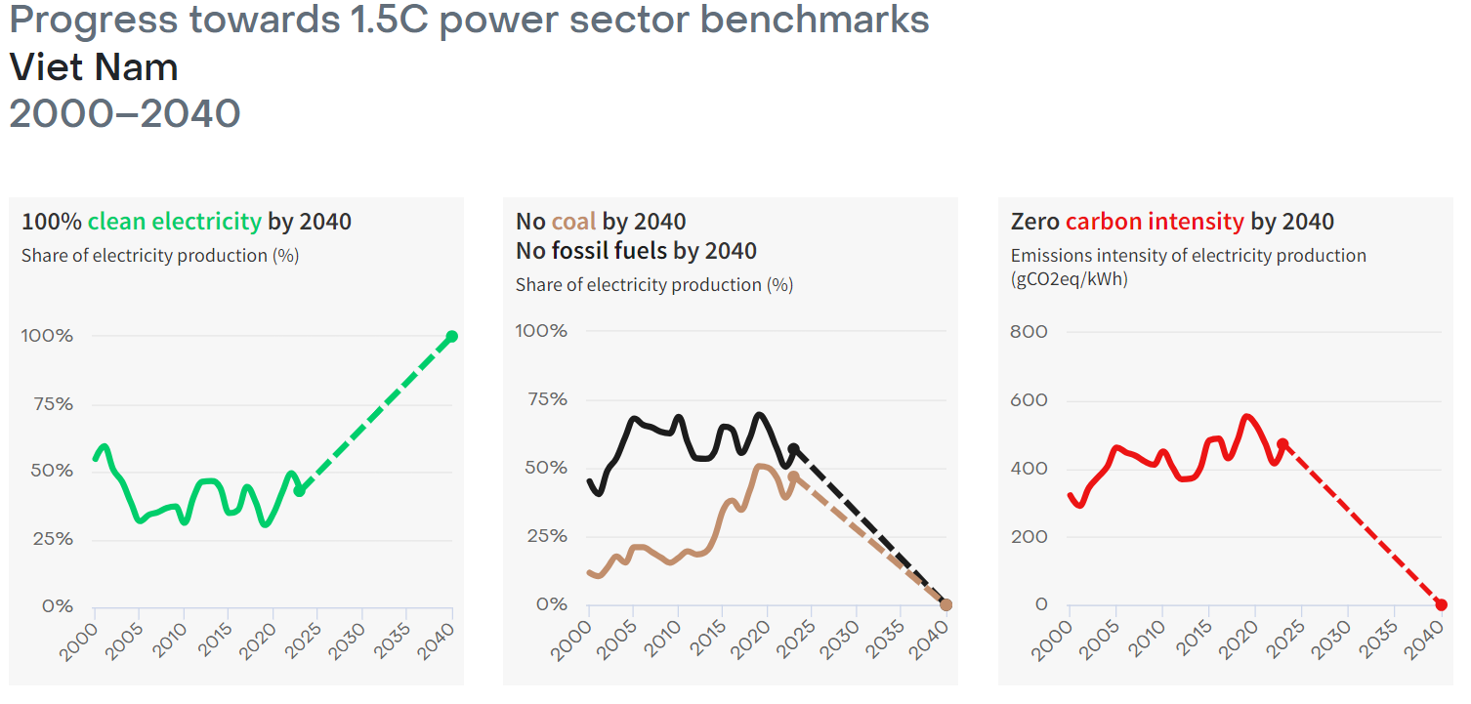

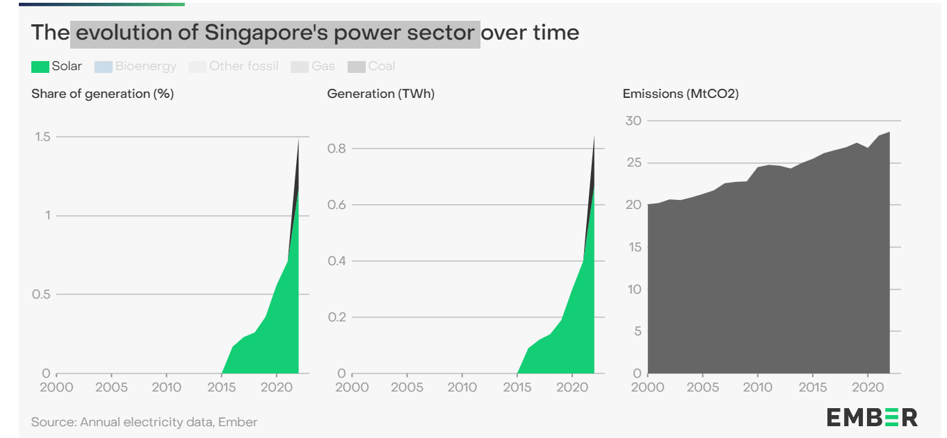

 | Japan | Australia | Vietnam | Singapore
2000 | 38% | 8% | 55% | 0%
2005 | 34% | 9% | 32% | 0%
2010 | 36% | 9% | 31% | 0%
2015 | 15% | 14% | 35% | 0%
2020 | 23% | 24% | 35% | 0%
2023 | 30% | 35% | 43% | 2%
2035 | 100% | 100% |  | 6%
2040 | 100% | 100% | 100%

